Known Issues
# | Issues | Reproduction and root cause | Status | Files changed | Test/evidence | Final status
1 | 1. Default filter on projects should be all statueses | The project status filter already initializes to all appropriate statuses and retains later selection. | RETEST | None | Existing project visibility/filter coverage; local /projects browser load | Verified
2 | 2. Save project doesn't work | Create and edit save handlers already expose progress/errors and prevent duplicate submits. | RETEST | None | Existing projects-route, form, and project-update tests | Verified
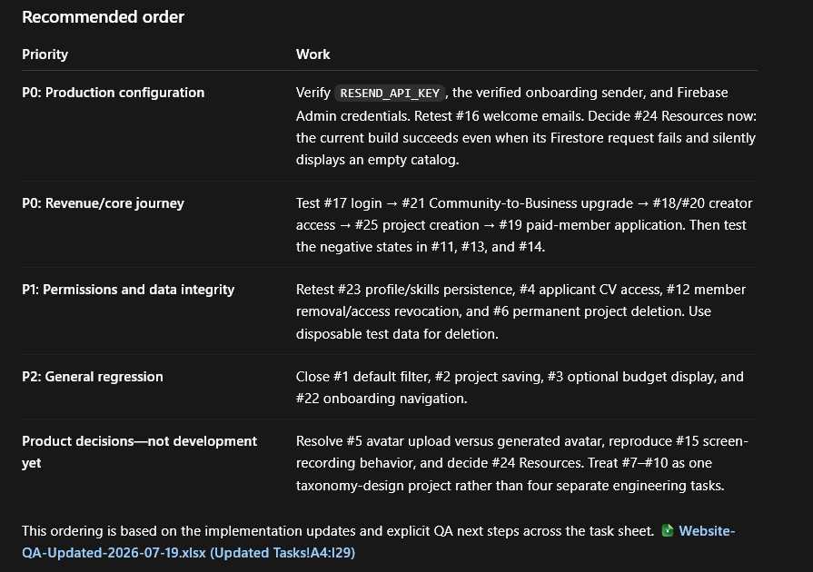
3 | 3. Make Budget optionally visible on projects that don't have a budget | Optional budget paths already accept absence, remove a previous budget, and hide missing values. | RETEST | None | Existing project create/update and budget utility tests | Verified
4 | 4. When user applies to a project, project creator cannot see the aplicant CV | Authorized project owners/admins can access application CV snapshots; unrelated users cannot. | RETEST | None | Existing application and CV authorization tests | Verified
5 | 5. Add ability to add User Profile image or a randomly generated image | Email signups receive a persisted DiceBear avatar, Google users retain their provider photo, and Radix fallback initials render. There is no complete upload/replacement UI or approved storage/file-validation policy. | IN REVIEW | None | Code audit of auth normalization, avatar generation, and avatar components | Needs decision
6 | 6. I want the ability to completely remove project if I create one and remove it later, not archive it only, but have the ability to completely remove it | Owner/admin permanent delete, archive, explicit confirmation, and related application/user-reference cleanup already exist. | RETEST | None | Existing project delete authorization/cleanup tests | Verified
7 | 7. Update Primary roles to inlcude actual skills or make it function similar to tags | Fixed-option primary roles did not use the community directory. Primary role now accepts directory suggestions or a normalized custom tag. | DONE | src/app/onboarding/page.js, src/app/api/onboarding/route.js, src/components/profile/SkillSelector.jsx | Onboarding persistence and skill-selector tests | Fixed
8 | 8. Upate the secondary roles to have suggestions but also have the ability to add tags | Secondary roles were fixed chips only. They now use suggestions plus custom tags, case-insensitive deduplication, and an eight-role limit. | DONE | Same as #7 | Onboarding normalization tests | Fixed
9 | 9. Update skill level to make more sense | Persisted values were ambiguous labels. The stored IDs remain unchanged for compatibility, while UI labels/descriptions now explain Learning, Developing, Independent, Advanced, and Production-proven. | DONE | src/constants/onboarding.js, src/app/onboarding/page.js | Production build and source review | Fixed
10 | 10. Make tools also use suggestions and tags | Tools were fixed chips and could not cover normal names. They now provide common suggestions and custom tags while preserving spaces, punctuation, and commas during entry. | DONE | src/components/profile/SkillSelector.jsx, src/app/onboarding/page.js, src/app/api/onboarding/route.js | CV input and onboarding normalization tests | Fixed
11 | 11. When I try to apply to a project when I don't have a subscription I cannot do it, there should be a prompt telling me to get a subscription in order to have the ability to apply to projects. | Membership-required application messaging, /membership CTA, and server-side active-member enforcement already exist. | RETEST | None | Existing application-create and membership-gate tests | Verified
12 | 12. I want to have the ability to remove people from a project | Project owners/admins can remove non-owner members; server logic prevents owner/admin removal and updates approved applications. No new email is sent without an approved event. | RETEST | None | Existing project-member route tests | Verified
13 | 13. If I have canceled subscription I want to be able to see the get premium button on the website available | Canceling users retain paid access through period end and are offered a replacement membership once the subscription is no longer active. | RETEST | None | Membership UI and webhook status tests | Verified
14 | 14. I want the get premium button to open /membership instead of the current chepest membership option | Generic premium CTAs route to /membership; they do not silently select the cheapest checkout. | RETEST | None | Existing pricing/subscribe redirect tests; browser membership navigation | Verified
15 | 15. I am not able to screen record the website because there is a active security measure active, this is good for general public, but also might be a challenge for testing and for sharing opportunities between community members through screenshots, might be a good thing, needs to be reviewed | No Permissions-Policy, CSP display-capture, DRM integration, screen-recording CSS, or related response header was found locally. The symptom is therefore likely browser/OS/extension-specific. Security was not weakened. | IN REVIEW | None | Header/config/source audit | Needs decision
16 | 16. No sign up email is sent to users | Firebase verification and GO welcome mail are separate authenticated flows. GO welcome enqueueing uses permanent semantic deduplication and returns readable API failures. | RETEST | None | Existing welcome, outbox, and verification tests | Verified
17 | 17. When signing in with google I am not redirected to /profile but remain on the login page and there is an errro Cannot read properties of undefined (reading 'authStateVersion') | Current Google auth normalization no longer reads an undefined authStateVersion, and login routing selects profile/onboarding appropriately. | RETEST | None | Existing auth-profile and auth navigation tests | Verified
18 | 18. When I open https://www.galacticomnivore.com/project/create without creator subscription I want to be redirected to /membership | Guest access preserves /project/create as a login return path; signed-in free/Community users are routed to Business membership. The create API independently requires Business/admin rights. | RETEST | None | Project-creation gate/API tests; local guest browser evidence | Verified
19 | 19. When clicking on apply to project as a signed in user with paid membership nothing happens | Apply already provides loading/success/duplicate/error feedback and persists a CV snapshot. | RETEST | None | Existing application-create tests | Verified
20 | 20. I want only users that are creators to be able to create projects, and for all users that are lower tier (community member, free) to suggest they purchase a creator membership if they want to create projects | Business/admin creation rights are enforced in both UI and API; Community/free members receive a Business explanation/CTA. | RETEST | None | Project creation gate and API permission tests | Verified
21 | 21. I want users that are community members to be able to purchase a business membership | A new checkout for an active Community member caused Polar's duplicate-active-subscription response. The server now uses Polar's supported subscription product update with prorate, prevents surprise cross-interval changes, and never trusts a browser product ID. Upgrade confirmation waits for the server-verified Business tier instead of an initial-purchase receipt. | DONE | src/app/api/checkout/route.js, src/app/subscription/success/page.js, src/components/pricing/PricingDisplay.js, src/components/ui/SubscribeButton.jsx, src/lib/subscription-confirmation.js | Checkout upgrade, interval-safety, no-new-checkout, and verified target-tier confirmation tests | Fixed
22 | 22. I want to be able to get to /onboarding from /profile?tab=profile | Profile already provides the onboarding-edit route and reloads the member's saved onboarding session. | RETEST | None | Existing me/profile/onboarding edit tests | Verified
23 | 23. I cannot update Username it gives me an error: Username can only contain letters, numbers, underscores, and hyphens but I only have letters, and when I add numbers only the name is not actually changes, and the skills are also not changed. | The authoritative API accepted valid normalized usernames, but the UI then attempted a second direct Firestore write that could fail under production rules and make a successful save look partial. The duplicate write is removed; Bio/About/name/skills mirror through the server and the store refreshes afterward. | DONE | src/components/profile/ProfileEditor.jsx, src/app/api/user/[id]/route.js, src/utils/validateProfile.js | Username, skills, social validation, structured-profile mirror, and save tests | Fixed
24 | 24. Remove resources from the platform?? | Resources are referenced by membership benefits, package/download routes, email copy, existing content, and entitlement APIs. Removing them would break a paid promise and current content. Recommendation: retain the feature and use sustainable release wording. | IN REVIEW | None for removal; wording files listed in #36 | Route/content audit | Needs decision
25 | 25. Create Project Does not work, I go through the project creation wizard and when I get to the final step to create project I press the button and nothing happens. | The final project wizard already shows progress, disables repeat submission, surfaces errors, creates once, and routes to the new project. | RETEST | None | Existing project form/create route tests | Verified
26 | 26. Emails need to be working for Welcome Email and Purchase Email | Resend sender, branded HTML/plain text, authenticated five-minute external worker, retry/final-failure behavior, suppression, HTML escaping, and permanent deduplication are already implemented. order.paid and subscription.active share one activation dedupe key. | RETEST | Email benefit wording only in src/lib/email/templates/events.js | Existing Resend webhook, outbox, worker, template-tier/interval, escaping, and Polar event-order tests | Verified
27 | 27. No pop-up with confimation that you have subscribed on the website before showing onboarding page. | The return flow already verifies an opaque server-created confirmation, polls delayed webhooks, times out with retry/support guidance, acknowledges once, and does not trust URL parameters. | RETEST | None | Existing confirmation-state, success-dialog, polling, and webhook tests | Verified
28 | 28. Firebase doesn't store user nickname | Onboarding now treats the selected display name as authoritative and mirrors it to legacy users.username; public/legacy reads remain compatible. | DONE | src/app/api/onboarding/route.js, src/app/api/user/[id]/route.js | Onboarding and user-profile persistence tests | Fixed

29 | 29. Questions answered on onboarding are stored in BIO and they don't make sense because one is BIO the oter is about me. This needs to be two separate fields, a short bio up to 150 charachters that's always shown next to the user info in the UI and an about me should be more detailed description with up to 10000 words. | A single long biography was overloaded. Separate 150-character Bio and 10,000-word About Me fields now cover onboarding, profile editing, both Firestore shapes, public/self profiles, and CV summaries. Long legacy biographies safely fall back to About Me without overwrite. | DONE | src/utils/validateProfile.js, src/components/profile/ProfileEditor.jsx, src/app/onboarding/page.js, src/app/api/onboarding/route.js, src/app/api/me/profile/route.js, src/app/api/user/[id]/route.js, src/app/(main)/profile/page.js, src/app/user/[id]/page.js, src/lib/cv-generator.js | Boundary, oversized, legacy fallback, structured persistence, escaping, and CV tests | Fixed
30 | 30. If you have purchased community membership I want the UI button of "CHOOSE GO BUSINESS" to be the highlight color | Membership cards did not distinguish an active Community plan from its Business upgrade. The current plan now gets a badge and Business becomes the primary target for an eligible Community member. | DONE | src/components/pricing/PricingDisplay.js | Membership-state tests; responsive public membership browser evidence | Fixed
31 | 31. Failed to fetch error shown when trying to save profile | The redundant client Firestore update after a successful API save caused the observed misleading “Failed to fetch/save” behavior under stricter production rules. One authenticated server request is now authoritative; error copy remains actionable and form state is preserved on failure. | DONE | src/components/profile/ProfileEditor.jsx, src/app/api/user/[id]/route.js | Profile save/API tests | Fixed
32 | 32. User that has purchased community subscription should be able to download all available resources not be asked to buy them again. | Downloads only checked legacy unlockedPackages, ignoring the authoritative active-member entitlement endpoint. The UI now fetches public releases and /api/user/packages in parallel; the server grants all published packages to active Community/Business/admin users and keeps free/expired/revoked users locked. | TODO | src/components/profile/Downloads.jsx | Existing full user-package entitlement matrix and package-detail tests | Fixed
33 | 33. Show to users when they apply to a project the projects they applied to in Application. | The history query combined an equality filter and descending order without a deployed composite index, causing empty/error states. It now performs the private equality query and sorts newest-first in memory, with loading, empty, error/retry, project, role, date, status, and action UI. | DONE | src/app/api/applications/route.js, src/mobx.js, src/app/(main)/profile/page.js | Applicant-only newest-first history test | Fixed
34 | 34. Add the ability to add past projects from people that completed projects at go in the past but they were not documented on the website. please create a schema a google forms questioneer that can collect all the information you need to add legacy projects to the platform. | No authorized Google Forms creation connection or production-import approval was available. A complete 30-field questionnaire, backward-compatible schema, validation rules, CSV template, and dry-run-first idempotent admin ingestion plan are delivered. | RETEST | docs/legacy-project-intake.md, docs/legacy-project-import-template.csv | Document/schema review; no production import | Partially fixed
35 | 35. Remove email that sends confirmation about profile complete | Completing onboarding enqueued an unwanted onboarding.completed email. That enqueue was removed while state updates, CV generation, and reminder cancellation remain intact. | DONE | src/app/api/onboarding/route.js | Completion test proves no event is queued | Fixed
36 | 36. Remove elements that we can not sustainable provide like monthly resource packages, please explain they will be sporadical based on community needs and activities in the copy about this feature. and | Membership/admin/download/email copy promised monthly packages. All such promises now describe periodic/occasional releases based on community needs and activity; existing content remains. | DONE | src/constants/membership.js, src/components/profile/SubscriptionStatus.jsx, src/components/profile/Settings.jsx, src/components/profile/Downloads.jsx, src/components/newsletter/NewsletterPreferencesForm.jsx, src/app/admin/packages/page.js, src/components/admin/PackageForm.jsx, src/lib/email/templates/events.js | Repository-wide copy search and full build | Fixed
37 | 37. Add Member Since on the User profile info | Profiles showed account “Joined” time only. “Member since” now prefers first paid membershipActivatedAt and clearly falls back to account creation for legacy/free users. | DONE | src/app/api/user/[id]/route.js, src/app/(main)/profile/page.js, src/app/user/[id]/page.js | Paid-date and legacy-fallback serialization tests | Fixed
38 | 38. Remove user email shown on the projects where we show team members of projects. | Public project team serialization and UI included email addresses. Public member responses now contain only UID, username, and avatar; reads no longer create user documents as a side effect. Authorized applicant-review data remains separate. | DONE | src/app/api/projects/[id]/route.js, src/app/project/[id]/page.js | Public team privacy regression test | Fixed
39 | 39. I want for the user to be asked about Tools & Engines, Projects & Portfolio once during the onboarding processs and make sure they are included in the user CV. | Onboarding had minimal unstructured portfolio fields and did not consistently capture projects/tools once. It now uses structured portfolio links and project entries with title, role, status, link, description, and tools; legacy links remain editable and CV generation consumes the same profile facts. | DONE | src/app/onboarding/page.js, src/app/api/onboarding/route.js, src/lib/cv-generator.js, src/app/api/me/profile/route.js | Empty/populated onboarding and CV tests | Fixed
40 | 40. I want to make sure that the users that have joined go discord before their onbording process t onot have to leave a username. If they have not joined the GO discord yet then pelase make sure there is a link to join GO send to them in the follow up email. we'll decide later in which email but they must be a follow up. | Discord username was labeled required and joined state was not modeled separately. Username is optional, joined state and invitation eligibility persist separately, and non-joined members see the safe GO invite link. The data hook exists, but no invitation email is enqueued until placement/copy are approved. | RETEST | src/constants/onboarding.js, src/app/onboarding/page.js, src/app/api/onboarding/route.js | Onboarding persistence/no-completion-email tests; accessible labels in production build | Partially fixed
41 | Remove the mandatory AI requirement to complete the onboarding | Remove the mandatory AI requirement to complete the onboarding | DONE
42 | Allow on thi sscreen the full scope of skills that are available in the BE |  | DONE
43 | I want to be able to choose any skill to be my primary |  | DONE
44 | Issues with overlap with Profile and GameDev Passport | Make a list of all changes required first please | TODO
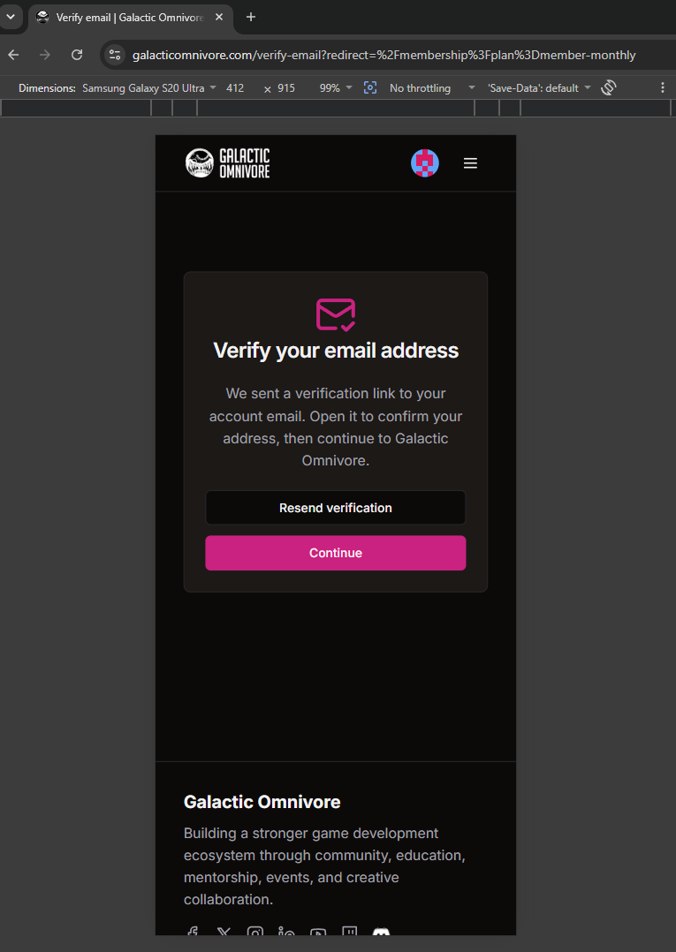
45 | There is a verify email but no verification email is sent we need to fix this logic.
46 | Creator should decide if they will allow for the user to apply to the project again, please make sure to add a mandatory field for creators to have to select or explain why they have rejected a user. And inform users automatically when the project has moved to a different stage from hiring and thet they were not selected for this project at this time but encourage to follow the project and apply
47 | I should
48
49
50
51
52
53
54
55
56
57
58
59
60
61
62
63
64
65
66
67
68
69
70
71
72
73
74
75
76
77
78
79
80
81
82
83
84
85
86
87
88
89
90
91
92
93
94
95
96
97
98
99
100
101
102
103
104
105
106
107
108
109

Chart1 Website Test Suite V1.6
STATUS UPDATE GO WEBSITE 2.0 TEST SUITE RESULTS 29.07.2026

Status | Pass | Blocked | Fail | Not Run | Retest
Pass | 68
Fail |  |  | 9
Retest |  |  |  |  | 2
Blocked |  | 14
Not Run |  |  |  | 7
Website Test Suite V1.6 - Overall Status Breakdown

